Sheet1
id | Count | Total Color Count Gene | Color Nodes Gene | Num Edges Neighboring Black Gene | Uncolored Neighbor Count Gene | Node Degree Gene
0 | AVERAGE | 0.73932718656 | 0.98163784076 | 0.36952856808 | 0.68596736666 | 0.72371493905 | 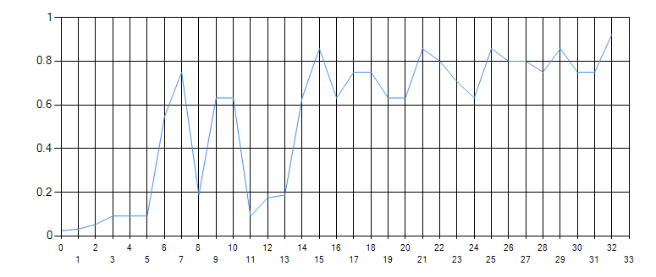 | 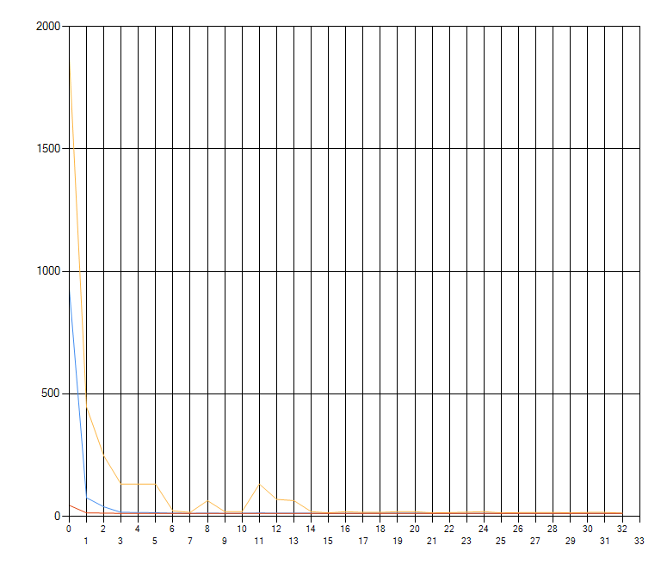
1 | 12 | 0.596 | 1 | 0.334 | 0.453 | 0.686
2 | 12 | 0.805 | 1 | 0.327 | 0.855 | 0.864
3 | 12 | 0.864 | 1 | 0.349 | 0.619 | 0.828
4 | 12 | 1 | 0.842 | 0.309 | 0.468 | 0.61
5 | 12 | 0.487 | 1 | 0.259 | 0.396 | 0.486
6 | 12 | 0.694 | 1 | 0.418 | 0.524 | 0.926
7 | 12 | 0.624 | 1 | 0.325 | 0.533 | 0.65
8 | 12 | 0.405 | 1 | 0.339 | 0.658 | 0.571
9 | 12 | 0.667 | 1 | 0.4 | 0.596 | 0.827
10 | 12 | 0.897 | 1 | 0.415 | 0.71 | 0.725
11 | 12 | 0.812 | 1 | 0.394 | 0.698 | 0.624
12 | 12 | 0.666 | 1 | 0.394 | 0.616 | 0.771
13 | 12 | 0.496 | 1 | 0.378 | 0.684 | 0.654
14 | 12 | 0.666 | 1 | 0.436 | 0.685 | 0.618
15 | 12 | 0.666 | 1 | 0.319 | 0.833 | 0.841
16 | 12 | 0.859 | 0.981 | 0.392 | 0.969 | 1
17 | 12 | 0.666 | 1 | 0.319 | 0.832 | 0.841 | 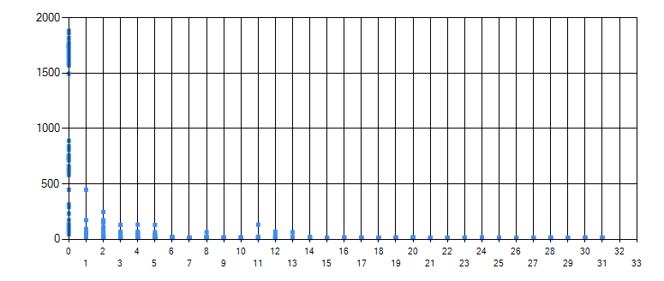
18 | 12 | 0.927 | 1 | 0.305 | 0.619 | 0.828
19 | 12 | 0.679 | 1 | 0.367 | 0.556 | 0.724
20 | 12 | 0.461 | 1 | 0.259 | 0.396 | 0.486
21 | 12 | 0.697 | 1 | 0.418 | 0.524 | 0.926
22 | 12 | 0.693 | 1 | 0.325 | 0.533 | 0.65
23 | 12 | 0.621 | 1 | 0.339 | 0.658 | 0.571
24 | 12 | 0.666 | 1 | 0.4 | 0.596 | 0.827
25 | 12 | 0.799 | 1 | 0.383 | 0.951 | 0.684
26 | 12 | 0.754 | 1 | 0.446 | 0.865 | 0.673
27 | 12 | 0.666 | 1 | 0.394 | 0.616 | 0.771
28 | 12 | 0.591 | 1 | 0.378 | 0.684 | 0.554
29 | 12 | 0.666 | 1 | 0.436 | 0.685 | 0.618
30 | 12 | 0.666 | 1 | 0.319 | 0.833 | 0.841
31 | 12 | 0.859 | 0.981 | 0.392 | 0.969 | 1
32 | 12 | 0.9 | 1 | 0.349 | 0.619 | 0.828
33 | 12 | 0.799 | 1 | 0.367 | 0.556 | 0.724
34 | 12 | 0.542 | 1 | 0.259 | 0.396 | 0.486 |  | 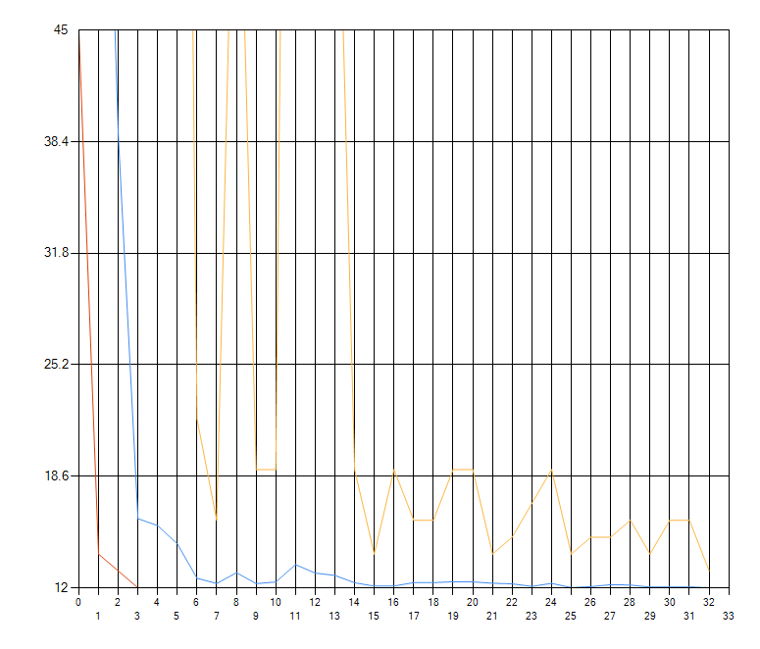
35 | 12 | 0.821 | 1 | 0.418 | 0.524 | 0.926 | 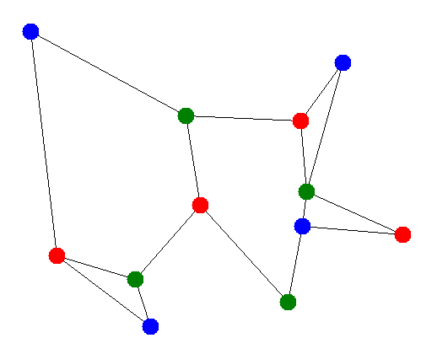
36 | 12 | 0.816 | 1 | 0.325 | 0.533 | 0.65
37 | 12 | 0.731 | 1 | 0.339 | 0.658 | 0.571
38 | 12 | 0.784 | 1 | 0.4 | 0.596 | 0.827
39 | 12 | 0.911 | 1 | 0.415 | 0.71 | 0.725
40 | 12 | 0.81 | 1 | 0.408 | 0.721 | 0.645
41 | 12 | 0.784 | 1 | 0.394 | 0.616 | 0.771
42 | 12 | 0.696 | 1 | 0.378 | 0.684 | 0.554
43 | 12 | 0.784 | 1 | 0.438 | 0.685 | 0.618
44 | 12 | 0.784 | 1 | 0.319 | 0.833 | 0.841
45 | 12 | 1 | 0.971 | 0.387 | 0.959 | 0.989
46 | 12 | 0.767 | 1 | 0.367 | 0.556 | 0.724
47 | 12 | 0.521 | 1 | 0.259 | 0.396 | 0.486
48 | 12 | 0.788 | 1 | 0.418 | 0.524 | 0.926
49 | 12 | 0.784 | 1 | 0.325 | 0.533 | 0.65
50 | 12 | 0.702 | 1 | 0.339 | 0.658 | 0.571
51 | 12 | 0.753 | 1 | 0.4 | 0.596 | 0.827
52 | 12 | 0.875 | 1 | 0.415 | 0.71 | 0.725
53 | 12 | 0.753 | 1 | 0.394 | 0.698 | 0.624
54 | 12 | 0.753 | 1 | 0.457 | 0.765 | 0.771
55 | 12 | 0.668 | 1 | 0.378 | 0.684 | 0.554
56 | 12 | 0.753 | 1 | 0.436 | 0.685 | 0.618
57 | 12 | 0.753 | 1 | 0.319 | 0.833 | 0.841 | 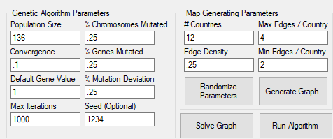
58 | 12 | 0.989 | 1 | 0.399 | 0.988 | 0.939
59 | 12 | 0.806 | 1 | 0.259 | 0.396 | 0.486
60 | 12 | 1 | 0.82 | 0.343 | 0.429 | 0.759
61 | 12 | 1 | 0.824 | 0.268 | 0.439 | 0.536
62 | 12 | 1 | 0.92 | 0.312 | 0.606 | 0.525
63 | 12 | 1 | 0.858 | 0.343 | 0.511 | 0.71
64 | 12 | 1 | 0.739 | 0.307 | 0.525 | 0.536
65 | 12 | 1 | 0.858 | 0.338 | 0.599 | 0.536
66 | 12 | 1 | 0.858 | 0.338 | 0.529 | 0.662
67 | 12 | 1 | 0.967 | 0.365 | 0.662 | 0.536
68 | 12 | 1 | 0.858 | 0.374 | 0.588 | 0.53
69 | 12 | 1 | 0.858 | 0.273 | 0.714 | 0.722
70 | 12 | 1 | 0.653 | 0.261 | 0.645 | 0.666
71 | 12 | 0.737 | 1 | 0.418 | 0.524 | 0.926
72 | 12 | 0.733 | 1 | 0.325 | 0.533 | 0.65
73 | 12 | 0.657 | 1 | 0.339 | 0.658 | 0.571
74 | 12 | 0.704 | 1 | 0.4 | 0.596 | 0.827
75 | 12 | 0.818 | 1 | 0.415 | 0.71 | 0.725
76 | 12 | 0.704 | 1 | 0.394 | 0.698 | 0.624
77 | 12 | 0.704 | 1 | 0.394 | 0.616 | 0.771
78 | 12 | 0.625 | 1 | 0.378 | 0.684 | 0.554
79 | 12 | 0.704 | 1 | 0.436 | 0.685 | 0.618
80 | 12 | 0.704 | 1 | 0.319 | 0.833 | 0.841
81 | 12 | 0.908 | 0.981 | 0.392 | 0.969 | 1
82 | 12 | 0.69 | 1 | 0.325 | 0.533 | 0.65
83 | 12 | 0.618 | 1 | 0.339 | 0.658 | 0.571
84 | 12 | 0.663 | 1 | 0.4 | 0.596 | 0.827
85 | 12 | 0.77 | 1 | 0.415 | 0.71 | 0.725
86 | 12 | 0.663 | 1 | 0.394 | 0.698 | 0.624
87 | 12 | 0.663 | 1 | 0.394 | 0.616 | 0.771
88 | 12 | 0.588 | 1 | 0.413 | 0.684 | 0.554
89 | 12 | 0.663 | 1 | 0.436 | 0.685 | 0.618
90 | 12 | 0.695 | 1 | 0.319 | 0.701 | 0.841
91 | 12 | 0.854 | 0.981 | 0.392 | 0.969 | 1
92 | 12 | 0.559 | 1 | 0.339 | 0.658 | 0.571
93 | 12 | 0.6 | 1 | 0.4 | 0.596 | 0.827
94 | 12 | 0.697 | 1 | 0.415 | 0.71 | 0.725
95 | 12 | 0.6 | 1 | 0.394 | 0.698 | 0.624
96 | 12 | 0.6 | 1 | 0.394 | 0.616 | 0.771
97 | 12 | 0.363 | 1 | 0.359 | 0.58 | 0.469
98 | 12 | 0.6 | 1 | 0.436 | 0.685 | 0.618
99 | 12 | 0.6 | 1 | 0.319 | 0.833 | 0.841
100 | 12 | 0.773 | 0.981 | 0.392 | 0.969 | 1
101 | 12 | 0.568 | 1 | 0.4 | 0.596 | 0.827
102 | 12 | 0.66 | 1 | 0.415 | 0.71 | 0.725
103 | 12 | 0.494 | 1 | 0.343 | 0.606 | 0.542
104 | 12 | 0.568 | 1 | 0.394 | 0.616 | 0.771
105 | 12 | 0.504 | 1 | 0.378 | 0.684 | 0.554
106 | 12 | 0.568 | 1 | 0.436 | 0.685 | 0.618
107 | 12 | 0.649 | 1 | 0.301 | 0.786 | 0.794
108 | 12 | 0.732 | 0.981 | 0.392 | 0.969 | 1
109 | 12 | 0.775 | 1 | 0.415 | 0.71 | 0.725
110 | 12 | 0.667 | 1 | 0.394 | 0.698 | 0.624
111 | 12 | 0.82 | 1 | 0.394 | 0.616 | 0.771
112 | 12 | 0.592 | 1 | 0.378 | 0.684 | 0.554
113 | 12 | 0.667 | 1 | 0.334 | 0.685 | 0.618
114 | 12 | 0.667 | 1 | 0.319 | 0.833 | 0.841
115 | 12 | 0.86 | 0.981 | 0.392 | 0.969 | 1
116 | 12 | 0.772 | 1 | 0.394 | 0.698 | 0.624
117 | 12 | 0.772 | 1 | 0.394 | 0.616 | 0.771
118 | 12 | 0.685 | 1 | 0.378 | 0.684 | 0.554
119 | 12 | 0.772 | 1 | 0.436 | 0.685 | 0.618
120 | 12 | 0.772 | 1 | 0.319 | 0.833 | 0.841
121 | 12 | 0.995 | 0.981 | 0.392 | 0.969 | 1
122 | 12 | 0.767 | 1 | 0.461 | 0.582 | 0.728
123 | 12 | 0.72 | 1 | 0.378 | 0.684 | 0.554
124 | 12 | 0.812 | 1 | 0.436 | 0.685 | 0.618
125 | 12 | 0.846 | 0.806 | 0.255 | 0.858 | 1
126 | 12 | 1 | 0.938 | 0.374 | 0.927 | 0.956
127 | 12 | 0.591 | 1 | 0.378 | 0.684 | 0.554
128 | 12 | 0.666 | 1 | 0.436 | 0.685 | 0.618
129 | 12 | 0.666 | 1 | 0.319 | 0.833 | 0.841
130 | 12 | 1 | 0.935 | 0.373 | 0.924 | 0.852
131 | 12 | 0.559 | 1 | 0.319 | 0.833 | 0.841
132 | 12 | 0.72 | 0.981 | 0.392 | 0.969 | 1
133 | 12 | 0.666 | 1 | 0.319 | 0.833 | 0.841
134 | 12 | 0.859 | 0.981 | 0.392 | 0.969 | 1
135 | 12 | 0.859 | 0.981 | 0.392 | 0.969 | 1
136 | 13 | 0.556 | 1 | 0.402 | 0.854 | 0.618

